2-Stage OpAmp Design
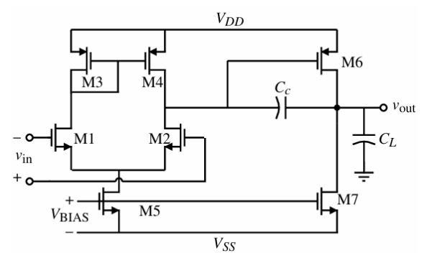
Nama: Izzudin Al Ayyubi |  |  | 2-Stage Op Amp Design
NPM: 2006574780
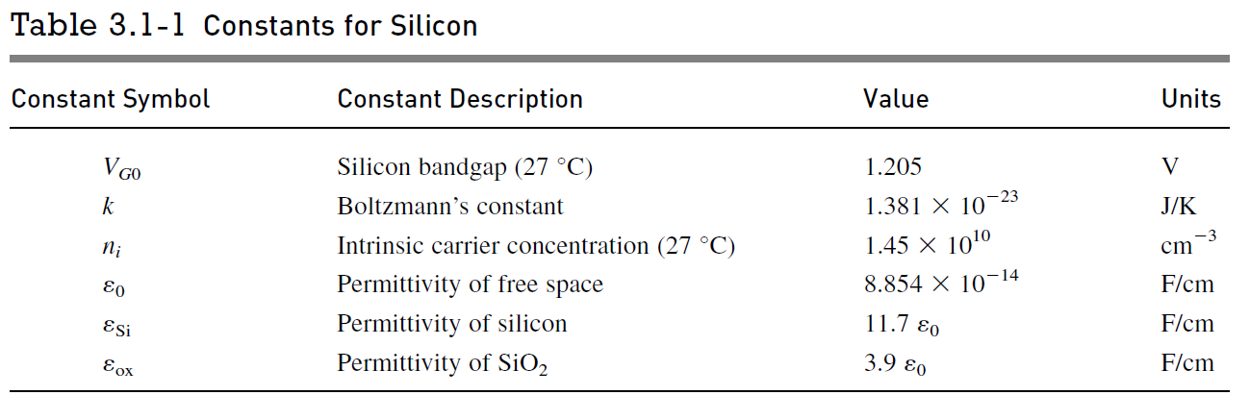

Parameter Symbol | Constant for Silicon |  | Value | Unit
VG0 | Silicon Bandgap (27°C) |  | 1 | V
k | Boltzmann's Constant |  | 1.381E-23 | J/K
ni | intrinsic carrier concentration (27°C) |  | 1.450E+10 | cm^-3
e0 | permittivity of free space |  | 8.854E-14 | F/cm
esi | permittivity of silicon |  | 1.036E-12 | F/cm
eox | permittivity of SiO2 |  | 3.453E-13 | F/cm

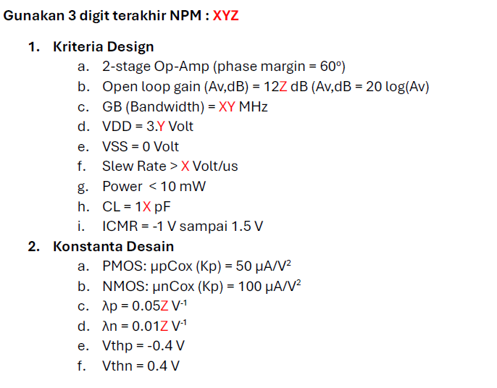
Parameter Symbol | Model Parameter |  | n-channel | p-channel | ± Range | Unit
Vt0 | threshold voltage (Vbs = 0) |  | 0.4 | -0.4 | 0.15 | V
K' | transconductance parameter (in saturation) |  | 100 | 50 | 10% | uA/V^2
gamma | bulk threshold parameter |  | 0.4 | 0.57 |  | V^(1/2)
lambda | channel length modulation parameter |  | 0.01 | 0.05 | L = 1 um | V^-1
 |  |  | 0.01 | 0.01 | L = 2 um
2|phiF| | surface potential at strong inversion |  | 0.7 | 0.8 |  | V

Op Amp Specification |  |  | Unit |  | NPM | 2006574780
Phase margin | 1.0471975512 | 60 | rad (°) |  | X | 7
channel length | 1 |  | um |  | Y | 8
Av > | 1000000 | 120 | V/V |  | Z | 0
GB | 78 |  | MHz
Vout range ± | 2 |  | V
Vdd | 3.8 |  | V
Cl | 17 |  | pF
ICMR | -1 | 1.5 | V
Vss | 0 |  | V
SR > | 7 |  | V/us
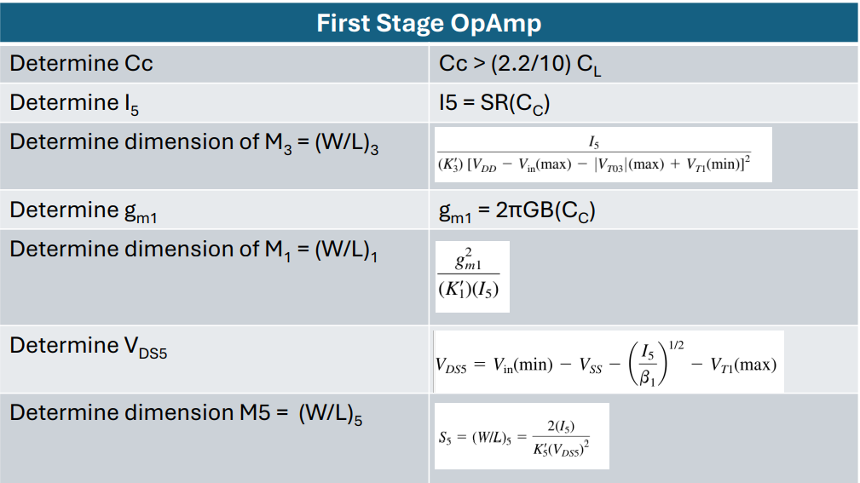
Pdiss ≤ | 10 |  | mW

2 Stage Op Amp Design |  |  |  |  | Value |  | Unit
Cc > | (2.2/10) * Cl |  |  |  | 3.74 | 3.74 | pF | pF
I5 | SR * Cc |  |  |  | 26.18 |  | uA
M3 (W/L)3 | I5 / [ K'3 * [(Vdd - Vin(max) - |Vt03|(max) + Vt1(min) ]^2] |  |  |  | 0.13
gm1 | 2*pi*GB*Cc |  |  |  | 1832.93 |  | uS
M1 (W/L)1 | gm1^2 / (K'1 * I5) |  |  |  | 1283.28
M2 (W/L)2 | gm1^2 / (K'1 * I5) |  |  |  | 1283.28
B1 | K'1 * (W/L)1 |  |  |  | 128328.32 |  | uA/V^2
Vds5 | Vin(min) - Vss - (I5/Beta1)^(1/2) - Vt1(max) |  |  |  | -1.56 |  | V
M5 (W/L)5 | (2 * I5)/(K'5 * Vds5^2) |  |  |  | 0.21
gm2 | gm1 |  |  |  | 1832.93 |  | uS
gm6 | 2.2 * gm2 * (Cl/Cc) |  |  |  | 18329.31 |  | uS
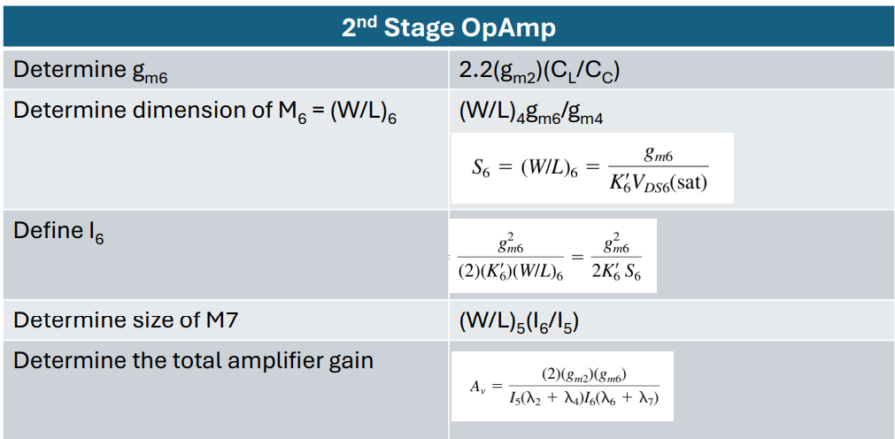
M4 (W/L)4 | (W/L)3 |  |  |  | 0.13
I1 | gm1^2 / (2*k'1 * M1) |  |  |  | 13.09 |  | uA
I4 | (M4/M3)*I3 = (M4/M3)*I1 |  |  |  | 13.09 |  | uA
gm4 | √(2 * K'4 * (W/L)4 * I4) |  |  |  | 13.09 |  | uS
S6= M6 (W/L)6 | (W/L)4 * (gm6 / gm4) |  |  |  | 183.29
I6 | gm6^2 / (2 * K'6 * (W/L)6) |  |  |  | 18329.31 |  | uA
M7 (W/L)7 | (W/L)5 * (I6/I5) |  |  |  | 149.81
Av | 2*gm2*gm6/I5*(lamda2+lamda4)*I6*(lamda6+lamda7) |  |  |  | 38895.91 | 91.798078519 |  | dB
Pdiss | (Vdd+|Vss|)*(I6+I5) |  |  |  | 69750.855077 | 69.750855077 | uW | mW

Additional |  | gm3/2Cgs3 | 10*GB | True =1 ; False=0
Verify Pole M3 | gm3/2Cgs3>10*GB | 2.7236082362E+11 | 780000000 | 1
Cox | 0.000274

